Sheet1
Is ESG Investing Making a Difference?

Most investors: ESG is perceived as an armchair method, an easy way to improve the world.
Asset managers: Encourage the misperception. ESG is actually a means to avoid some of the risk that is coming.

E: environment
S: social
G: governance

ESG: Country-level data |  | Either avoiding ESG risk or engaging to change it, is not improving the world.
 |  | Many countries without any ESG activism on their companies are seeing changes in their environmental country ratings.
 |  | It is rising GDP per capita that makes a difference.

GDP per capita vs. |  |  | Time-series
Yale EPI country rating |  |  | Time-series
UN CCPI country rating |  |  | Time-series
ESG rating ("Sustainable Competitiveness") |  |  | Time-series
ESG sub-component rating ("Natural capital") |  |  | Time-series
ESG sub-component rating ("Resource Intensity") |  |  | Time-series
ESG sub-component rating ("Social capital") |  |  | Time-series
ESG sub-component rating ("Intellectual capital") |  |  | Time-series
ESG sub-component rating ("Governance") |  |  | Time-series

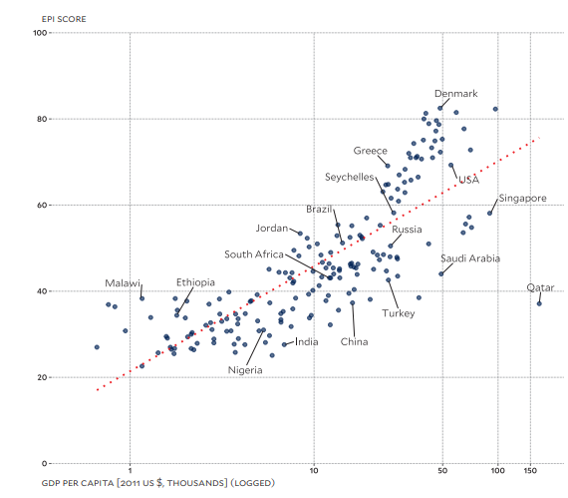
 |  |  |  | Open question: scatter plot or more interactive like GDP vs. life expectancy that Mario called out

 |  |  |  | Open question: do one chart with both Yale and UN ratings?
 |  |  |  | Or separate charts for both Yale and UN? Or just one rating?

 |  |  |  | Need to load the data into Mongo

ESG: Company-level data

Continue dashboard page with multiple charts that update from the same data with user-driven interaction from dropdowns.

· Proxy votes trend line, showing # of E/S/G proposals by year by country. Show that “E” has been the big focus, far outpacing any investor concerns with “S” or ‘G”.
· Number of successful/passed “E” proposals by year/country out of all E proposals
· Number of successful/passed “E” proposals by year by country vs. Refinitiv, S&P, or MSCI ESG ratings
 | Open question: Waiting for API, API key, and documentation from Broadridge PPI (Proxy, Policies, and Insights) database. Will contact Danielle at Broadridge on Monday, 8/9

 | Open question: Can we get access to any of the ESG rating service APIs?

 | Or, do we identify the top 100 companies that have had ESG proxy (shareholder) votes and scrape their ESG ratings to form a time-series?
 | Next Thursday as possible deadline, August 12

· Number of successful/passed “S” and "G" proposals by year/country out of all proposals
· Number of successful/passed “S” or "G" proposals by year by country vs. Refinitiv, S&P, or MSCI ESG ratings | If we obtain the ESG APIs, can we break the ESG ratings into their three components and see if all three components are improving or not?

 | https://corpgov.law.harvard.edu/2019/01/31/the-long-view-us-proxy-voting-trends-on-es-issues-from-2000-to-2018/

 | Proxy proposals are seeking disclosure, risk assessment, and oversight of particular issues.
 | The move away from requesting specific actions or the adoption of policies to seeking transparency and risk oversight.
 | Most proposals, even those requesting disclosure or assessment, or oversight are still being defeated.

 | Proxy defeats, disclosure or risk assessment means ESG adds up to "Fiddling while Rome burns."

